Request Content
Fiil in all yellow highlighted areas.
Check appropriate boxes.
Fill in teal text boxes.
Fill in all yellow highlighted areas.
Check appropriate boxes.
Fill in teal text boxes.
Project name should match the one generated within the Tempo tool.
Project/PCR number is generated by Tempo for the respective PCR (i.e. PEP0012345R)
Request Content (Optional for Light Track)
Project Name:
Project/PCR Number:
Requestor:
Request Reference:
Origin of Request: | Enter origin here (FORM,CI, G3R, Customer Complaint, PLM, Product Road Map). Attach file as object at end (if available).
Description:
Description Estimated duration (SELL Gate):

Product (and parts) reference:
Production Plant: | Enter production plant here
Part reference / part name: | Enter here
Current Supplier / Commodity: | Enter here
Overall Purchasing benefit: | Enter projected benefit here (QVE, IST, or Localization)

Targets (select all appropriate & list target objective (see guidelines in red):
Quality: | ppm, line scrap, non-quality cost (NQC), field failure rate
Marketing: | price, quality, revenue/market share
Productivity: | cost, purchasing benefit
Codes & Standards | list appropriate code or standard to be met
Supplier: | new part, change of supplier process, change of raw material, new tool or tooling transfer, globalization of suppliers, RoHS
Obsolescence: | end of product life, new range being developed/released

Stakes (select all appropriate):
Yes
 | Reducing NQC
 | Increasing market share
 | Defending market share
 | Increasing profitability, productivity
 | Reducing the risk of shortage of production
 | Rebalance production costs
 | Secure supplier base (bankruptcy, multi-sourcing)
 | Improve supplier performance (Supply chain / quality)
Justification/Impact if Not Done:

Customer Requirements & Applications (may require VoC documentation)

Requestor: Describe your VoC input and provide further detail product specifications, requirements, & proposed solution

Engineering Specifications & Requirements

Engineering: Detail engineering specifications as required and proposed solution if known.

Profitability Analysis
Fiil in all yellow highlighted areas.
Check appropriate boxes
Profitability Analysis (Optional for light track)
Project Name: | 0 |  |  |  |  |  |  | Project/PCR #: | 0
Requestor: | 0 |  |  |  |  | Enter current year (needed for analysis) | 2018 | Orig Date:
Purpose: |  |  |  |  |  |  |  | Rev. Date:
Project Type:

Savings/Benefits |  |  |  |  |  |  |  | Approval Signatures
Cost Reduction |  | 2018 | Year 1 | Year 2 | Year 3 | Year 4 | Year 5 | Prod. Mgt./Marketing |  | Date
Number of Units |  | 0 | 0 | 0 | 0 | 0 | 0 | 0
Variable Cost Reduction Per Unit - $ |  | #DIV/0! | #DIV/0! | #DIV/0! | #DIV/0! | #DIV/0! | #DIV/0!
Incremental CM - $000 |  | #DIV/0! | #DIV/0! | #DIV/0! | #DIV/0! | #DIV/0! | #DIV/0!
Base Cost Savings - $000 |  |  |  |  |  |  |  | Design Engineering |  | Date
Total Savings - $000 |  | #DIV/0! | #DIV/0! | #DIV/0! | #DIV/0! | #DIV/0! | #DIV/0!

This form must be signed at the Open stage gate or prior and, if revised, at the Implement stage gate.
Growth/ Mkt. Share |  | 2018 | Year 1 | Year 2 | Year 3 | Year 4 | Year 5
Incremental Revenue Units |  |  |  |  |  |  |  | Manufacturing/Adv. Mfg. |  | Date
Unit Selling Price - $
Unit CM - %
Unit CM - $ |  | 0.00 | 0.00 | 0.00 | 0.00 | 0.00 | 0.00
Associated CM -$000 |  |  |  |  |  |  |  | Quality |  | Date
Per Unit Cost |  | $0.00 | $0.00 | $0.00 | $0.00 | $0.00 | $0.00
Incremental Revenue - $000 |  | 0 | 0 | 0 | 0 | 0 | 0
Incremental CM - $000 |  | 0 | 0 | 0 | 0 | 0 | 0
 |  |  |  |  |  |  |  | Purchasing |  | Date
If Defend, enter only the percentage of revenue impacted.
Defend (Codes & Stds enter here) |  | 2018 | Year 1 | Year 2 | Year 3 | Year 4 | Year 5
Total market ($)
Amount of market effected(%)
CM-% |  |  |  |  |  |  |  | Finance |  | Date
Defend Revenue -$000 |  | 0 | 0 | 0 | 0 | 0 | 0
Defend CM- $000 |  | 0 | 0 | 0 | 0 | 0 | 0

Comments / Statement of Risk: |  |  |  |  |  |  |  | Other ( ) |  | Date

Reminder: Enter .084 for North America. (formula will round down to 8) May be different for other parts of the world.
Financial Summary & Analysis
Project Savings/Benefits |  | 2018 | Year 1 | Year 2 | Year 3 | Year 4 | Year 5 | Total | Discount Rate
Incremental CM -$000 |  | #DIV/0! | #DIV/0! | #DIV/0! | #DIV/0! | #DIV/0! | #DIV/0! | #DIV/0! | (Enter .084)
If "#DIV/0!" in IRR, the IRR didn't compute due to missing or inaccurate inputs (discount rate, benefits, etc).
If "#NUM!" in IRR, a hurdle rate may not have been met or was exceeded.
If "n/a" in IRR, benefits are larger than costs during first year and IRR would be very large.
Base Cost Savings- $000 |  | 0 | 0 | 0 | 0 | 0 | 0 | 0 | 8%
Defend $CM- $000 |  | 0 | 0 | 0 | 0 | 0 | 0 | 0 | NPV ($000)
Total Savings/Benefits -$000 |  | #DIV/0! | #DIV/0! | #DIV/0! | #DIV/0! | #DIV/0! | #DIV/0! | #DIV/0! | #DIV/0!
Project Expenditures |  | 2018 | Year 1 | Year 2 | Year 3 | Year 4 | Year 5 | Total
Salaried/Hourly Labor -$000 |  | 0 | 0 | 0 | 0 | 0 | 0 | 0 | IRR
Out of Pocket Expense -$000 |  | 0 | 0 | 0 | 0 | 0 | 0 | 0 | #DIV/0!
Total Expense -$000 |  | 0 | 0 | 0 | 0 | 0 | 0 | 0
Capital -$000 | 0 | 0 | 0 | 0 | 0 | 0 | 0 | 0 | PEP Payback Ratio
Total Expendatures -$000 |  | 0 | 0 | 0 | 0 | 0 | 0 | 0 | #DIV/0!
Total Benefit/Total Cost ratio |  | - | - | - | - | - | - | #DIV/0!
PEP Payback is non discounted expenses/benefits to be used for prioritization. It cannot be compared to BCFE PAF Payback.

Project Cost Estimates
Fiil in all yellow highlighted areas.
Check appropriate boxes.
Fill in teal text boxes.
Fiil in all yellow highlighted areas.
Check appropriate boxes.
Fill in teal text boxes.
Project Cost Estimates (Optional for Light Track)

 |  |  |  |  |  |  |  | Project/PCR #: |  | 0
Project Name: | 0 |  |  |  | Requestor: |  | 0 |  |  | Date: | 0
FUNCTIONAL INPUT & COMMENTS |  |  |  |  | 2018 | Year 1 | Year 2 | Year 3 | Year 4 | Year 5 | Total

Product Mgt./ Marketing |  |  |  |  | Prepared By: |  |  |  |  | Date:
US Labor Hours |  |  |  |  | 0.0 |  |  |  |  |  | 0.0
Labor Expense - $000 |  | US Labor Rate/Hr = |  | $155.26 | 0.0 | 0.0 | 0.0 | 0.0 | 0.0 | 0.0 | 0.0
Out of Pocket Expense - $000 |  |  |  |  |  |  |  |  |  |  | 0.0
Total Expense - $000 |  |  |  |  | 0.0 | 0.0 | 0.0 | 0.0 | 0.0 | 0.0 | 0.0

Summarize Activity & Justify Approach:

Design Engineering |  |  |  |  | Prepared By: |  |  |  |  | Date:
US Labor Hours | (Eng = xxhr, CAD = xxhr, PLE = xxhr, Lab = xxhr) |  |  |  | 0.0 |  |  |  |  |  | 0.0
MX Labor Hours |  |  |  |  | 0.0 |  |  |  |  |  | 0.0
Labor Expense - $000 |  | US Labor Rate/Hr = |  | $115.13 | 0.0 | 0.0 | 0.0 | 0.0 | 0.0 | 0.0 | 0.0
 |  | MX Labor Rate/Hr= |  | $42.59 | 0.0 | 0.0 | 0.0 | 0.0 | 0.0 | 0.0 | 0.0
Out of Pocket Expense - $000 |  |  | (UL, samples=$xxx) |  | 0.0 |  |  |  |  |  | 0.0
Total Expense - $000 |  |  |  |  | 0.0 | 0.0 | 0.0 | 0.0 | 0.0 | 0.0 | 0.0

Summarize Activity & Justify Approach:

Mfg. / Indus. / Core Tech |  | Part LT (weeks) = |  |  | Prepared By: |  |  |  |  | Date:

CAPITAL - $000 |  |  |  |  | 0.0 |  |  |  |  |  | 0.0

US Labor Hours | (Adv. Mfg = xxhr, ME = xxhr) |  |  |  |  |  |  |  |  |  | 0.0
MX Labor Hours |  |  |  |  |  |  |  |  |  |  | 0.0
Labor Expense - $000 |  | US Labor Rate/Hr = |  | $110.53 | 0.0 | 0.0 | 0.0 | 0.0 | 0.0 | 0.0 | 0.0
 |  | MX Labor Rate/Hr = |  | $60.13 | 0.0 | 0.0 | 0.0 | 0.0 | 0.0 | 0.0 | 0.0
Out of Pocket Expense - $000 |  |  | (fixtures, eqpt. = $xxx) |  |  |  |  |  |  |  | 0.0
Total Expense - $000 |  |  |  |  | 0.0 | 0.0 | 0.0 | 0.0 | 0.0 | 0.0 | 0.0

Summarize Activity & Justify Approach:

Quality Assurance |  |  |  |  | Prepared By: |  |  |  |  | Date:
US Labor Hours |  |  |  |  |  |  | 0.0 |  |  |  | 0.0
MX Labor Hours |  |  |  |  |  |  | 0.0 |  |  |  | 0.0
Labor Expense - $000 |  | US Labor Rate/Hr = |  | $115.13 | 0.0 | 0.0 | 0.0 | 0.0 | 0.0 | 0.0 | 0.0
 |  | MX Labor Rate/Hr = |  | $42.59 | 0.0 | 0.0 | 0.0 | 0.0 | 0.0 | 0.0 | 0.0
Out of Pocket Expense - $000 |  |  |  |  |  |  |  |  |  |  | 0.0
Total Expense - $000 |  |  |  |  | 0.0 | 0.0 | 0.0 | 0.0 | 0.0 | 0.0 | 0.0

Summarize Activity & Justify Approach:
Project requirements: first article inspection of parts (supplier certification), final quality plan, pilot run certification.

Purchasing |  |  |  |  | Prepared By: |  |  |  |  | Date:
US Labor Hours |  |  |  |  |  |  |  |  |  |  | 0.0
MX Labor Hours |  |  |  |  |  |  |  |  |  |  | 0.0
Labor Expense - $000 |  | US Labor Rate/Hr = |  | $102.83 | 0.0 | 0.0 | 0.0 | 0.0 | 0.0 | 0.0 | 0.0
 |  | MX Labor Rate/Hr = |  | $66.23 | 0.0 | 0.0 | 0.0 | 0.0 | 0.0 | 0.0 | 0.0
Out of Pocket Expense - $000 |  |  |  |  |  |  |  |  |  |  | 0.0
Total Expense - $000 |  |  |  |  | 0.0 | 0.0 | 0.0 | 0.0 | 0.0 | 0.0 | 0.0

Summarize Activity & Justify Approach:
Project requirements: quote and order parts, established suppliers, Adv. Mfg./ME to coordinate with purchasing.

Other: (e.g. IS, ES, OE) |  |  |  |  | Prepared By: |  |  |  |  | Date:
US Labor Hours |  |  |  |  |  |  |  |  |  |  | 0.0
MX Labor Hours |  |  |  |  |  |  |  |  |  |  | 0.0
Labor Expense - $000 |  | US Labor Rate/Hr = |  | $115.13 | 0.0 | 0.0 | 0.0 | 0.0 | 0.0 | 0.0 | 0.0
 |  | MX Labor Rate/Hr = |  | $42.59 | 0.0 | 0.0 | 0.0 | 0.0 | 0.0 | 0.0 | 0.0
Out of Pocket Expense - $000 |  |  |  |  |  |  |  |  |  |  | 0.0
Total Expense - $000 |  |  |  |  | 0.0 | 0.0 | 0.0 | 0.0 | 0.0 | 0.0 | 0.0

Summarize Activity & Justify Approach:
Confirm hourly rate for "other" through Finance

Impact Analysis
Check appropriate boxes.
Additional comments are optional in the highlighted yellow areas.
List other impacts at bottom.
Impact Analysis
 |  |  |  | Project/PCR #:
Minor Impact Project Only - No Design/Safety Review Required (To be completed by Change owner)
 | Document ref no.:
 |  |  | Author: |  | Date:
Item | Yes |  | Impacts |  | Comments
1 |  |  | AMAPS / KANBAN / ACE Creation or Loading
2 |  |  | Obsolescence of drawing / Spec.
3 |  |  | Redrawn Document
4 |  |  | Tolerance Change
5 |  |  | Typo Correction
6 |  |  | Others allowed (Coil voltage/ Pressure Code Addition, Wiring Diagram)
7 |  |  | Impact Analysis complete Is the project limited to only the items checked above? If yes then stop here. Do not complete balance of Impact Analysis.

Product Impacts (To be completed by Design/Product Engineering)
 |  |  | Author: |  | Date:
Item | Yes | No | Impacts |  | Comments
8 |  |  | Documentation Are there changes to BOM’s, ACE Trees, datasheets, assembly spreadsheets, instruction manuals, etc?
9 |  |  | Design FMEA Will the analysis possibly bring about a design, manufacturing or customer use change?
10 |  |  | TESTING Is any Validation testing (preliminary, investigative), Verification testing (final), or Certification testing (UL,CSA, etc) required ?
11 |  |  | Material ageing Are there any paints, gaskets, plastics, etc that time, temperature or ultraviolet light will negatively affect and needs to be designed for?
12 |  |  | Environmental sensitivity Are there any specifications (EMC, temperature, vibration, seismic, RoHS, ISO14001, SHE, etc.) that are critical or abnormal?
13 |  |  | New technology Is there a new technology to the design group that needs to be investigated or paid close attention to?
14 |  |  | Custom parts Are there any new parts to be manufactured specifically for this project?
15 |  |  | Product interactions Is there another product that needs to be coordinated with this project?
16 |  |  | Project interactions Is there another project that needs to be coordinated with this project?
17 |  |  | Certification Are there certification files such as UL, CSA, CE, etc. that need to be obtained or modified?
18 |  |  | Product performance Will this project change the performance of an existing product?
19 |  |  | Definition file Will this project change this file of an existing product? This is an exhaustive product specification and is not an NAOD requirement at this time.
20 |  |  | Traceability Are there any additional traceability methods required besides the typical date code, plant code, and manufacturing date?
21 |  |  | Product & Literature Safety Review Are product safety and/or literature reviews required based on project scope and PLCM policy?

Manufacturing / Supplier / Purchasing Impacts (To be completed by Manufacturing Eng. / Purchasing)
 |  |  | Author: |  | Date:
Item | Yes | No | Impacts |  | Comments
22 |  |  | Process FMEA Will the analysis possibly bring about a design, manufacturing or customer use change?
23 |  |  | Process & tools Is the cost, investment or lead-time for manufacturing processes or tools significant enough to require accurate evaluation early in the project?
24 |  |  | Material Will the project introduce a new material to an existing process?
25 |  |  | Tool Move Will the project require the physical move of Schneider owned equipment or tooling?
26 |  |  | Production Tool Modification Does this project require a change to an existing production tool?
27 |  |  | Production Tool Replacement Does this project require the build of a new tool to replace an existing production tool?
28 |  |  | Flow Analysis (Molded Parts) Does this project (e.g. replacement tooling, design change) offer an opportunity for the Flow Analysis Team to optimize material usage, cycle time or quality of molding process?
29 |  |  | Industrial feasibility Will manufacturing feasibility or testability be an issue from an industrialization point of view?
30 |  |  | Plant impacts Is more than one facility (plant, warehouse, etc) impacted and therefore need to be coordinated?
31 |  |  | Stock management Does any plant or vendor stock need to be moved around because of this project? Do new stock management processes need to be implemented?
32 |  |  | Logistics requirements Does anything need to be done for factory ordering, vendor ordering, vouchers, schedules or stock levels?
33 |  |  | Part volumes Does this project significantly reduce other production part volumes and thus potentially increase the cost for other products?
34 |  |  | Packaging impacts Are there any packaging changes (cartons, bags, filler, labels) or new packaging required?
35 |  |  | Records impact Are major changes or new documents required for routing and/or manufacturing instructions, new or changes to PPEP?
36 |  |  | Supplier know-how Do we need to communicate very specific know-how to a supplier?
37 |  |  | Part validation - Will the change result in part modification from a supplier or change of supplier, thereby requiring the part to have a PPEP?
38 |  |  | Supplier qualification Is there a need to qualify a new supplier?
39 |  |  | Supplier part qualification Is there a need to qualify a new supplier part?
40 |  |  | Process sensitivity Will manufacturing need a significantly new process or new equipment?
41 |  |  | Single source Is there a single source vendor that is of concern?
42 |  |  | Supplier issues Are there any known issues with the existing suppliers?

Quality Impacts (To be completed by Quality Engineering)
 |  |  | Author: |  | Date:
Item | Yes | No | Impacts |  | Comments
43 |  |  | Incoming inspection Is there a need to modify the existing incoming inspection process?
44 |  |  | Quality (Field Failure Rate) Is there a risk to the existing product quality that needs to be specifically addressed?

Economic / Resource Impacts (To be completed by Team)
 |  |  | Author: |  | Date:
Item | Yes | No | Impacts |  | Comments
45 |  |  | Profitability Does the project profitability need to be more accurately evaluated before the project is started?
46 |  |  | Product costing Will this project change the cost of an existing product?
47 |  |  | Qualification costs Will the costs to qualify the product be great enough that they should be accurately estimated and reviewed before the project start?
48 |  |  | Project resources Are there any human resource, finances, equipment or product needs outside the normal scope of a Class 1 project that need to be obtained prior to starting the project?
49 |  |  | Technical resources Are the technical hurdles of this project outside the normal scope of a Class 1 project such that outside technical resources will need to be added to the team?
50 |  |  | Workload Is the workload outside the normal scope of a Class 1 project such that additional folks will be needed?

Customer Impacts (To be completed by Product Management)
 |  |  | Author: |  | Date:
Item | Yes | No | Impacts |  | Comments
51 |  |  | Customer use Is customer use a critical part of the product design consideration?
52 |  |  | VoC (Growth Project Only) Is the Voice of Customer process needed for this particular request? Does the sales growth revenue meet the "hurdle rate" for accomplishing this task?
53 |  |  | Customer communication Does the external customer need to be kept updated throughout the project?
54 |  |  | Application FMEA Will the analysis possibly bring about a design, manufacturing or customer use change?
55 |  |  | Obsolescence risk Does the obsolescence of this or another product need to be closely coordinated?
56 |  |  | Product Support Is there a product launch announcement, MARCOM campaign, trade show, new literature or literature modification planned?
57 |  |  | Selector Are changes to the Selector structure required or use of outside contractors (KEENE, etc) needed?
58 |  |  | Catalog characteristic Do any parts or products already exist in the catalog that could satisfy this project?

Other Impacts
 | Yes | Describe other impacts |  |  | Comments
59
60
61
62
63
64
65

Purchasing Guideline
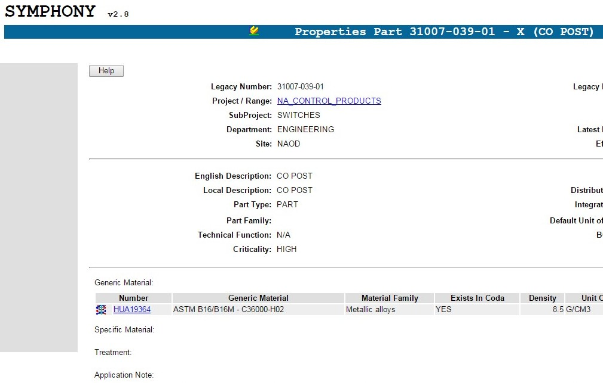
Suggested flow to build a PCR | Project Evaluation Metrics
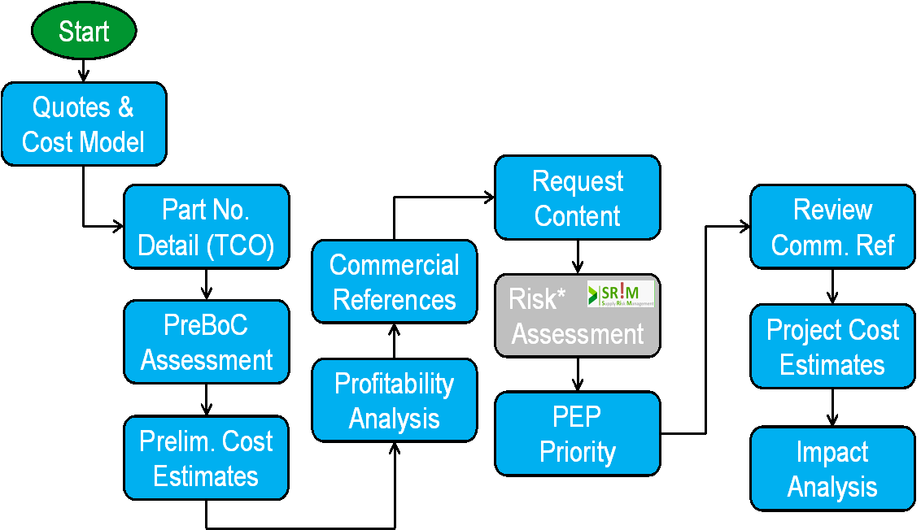
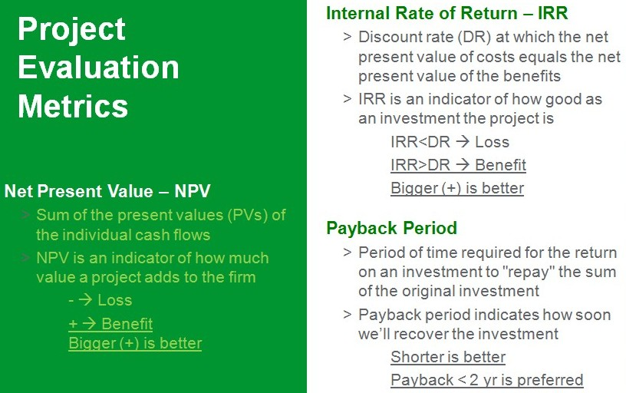

Recommendations for the Quotation Process | Rough Cost Estimates (COS & REB Projects)
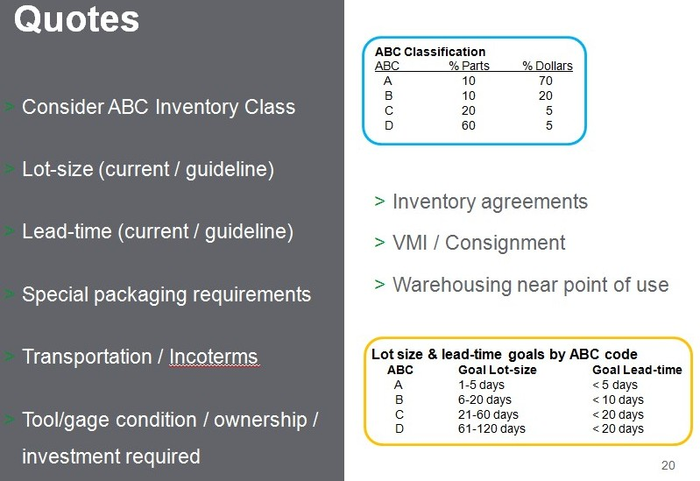

 | + | Tooling transfer from USA to MX: ~2.5 k USD / tool

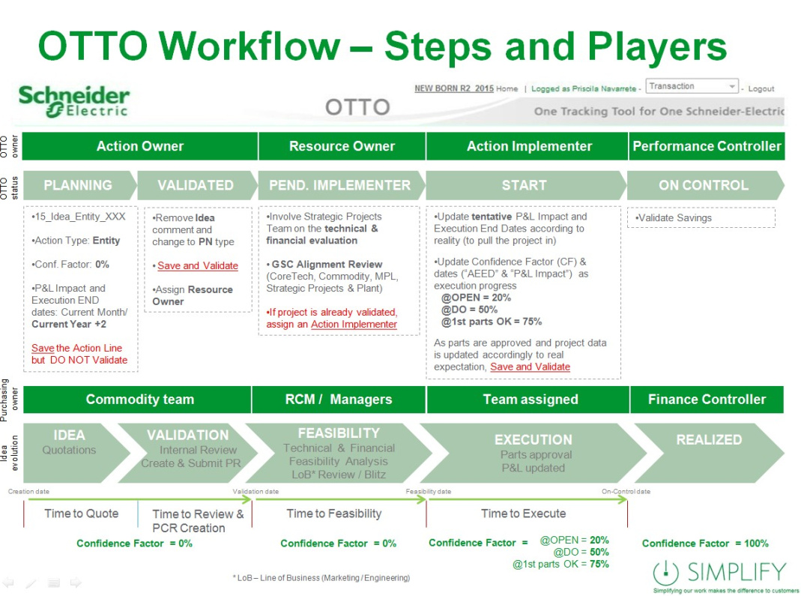
Part Criticality in Symphony | Idea to Project Execution (I2PE) - Evolution & OTTO Tracking

Part Number Detail (TCO)
 |  |  | Part Number Detail (TCO)
 |  |  |  |  |  | Complete only yellow shaded cells |  |  |  |  | Yes | Y | A | Critical
 |  |  |  |  |  | Calculated cells |  |  |  |  | No | N | B | Major
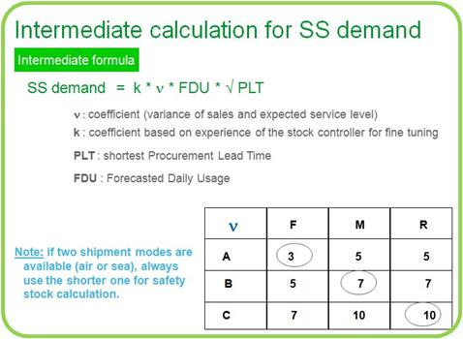
 |  |  |  |  |  |  |  |  |  |  |  |  | C | Minor
 |  |  | Total Volume (annual spend) = | $- |  |  |  |  |  |  |  |  | D | None - TBD
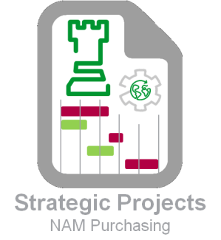
 |  |  | Total Rebalance Volume (MEC to NEC) = | $-

 |  |  | Price vs Price Decrease (Increase) = | $-
 |  |  | Inventory Carry Cost (15%) Decrease (Increase) = | $-
 |  |  | Import/Export Cost Decrease (Increase) = | $-
 |  |  | Transportation Cost Decrease (Increase) = | $-
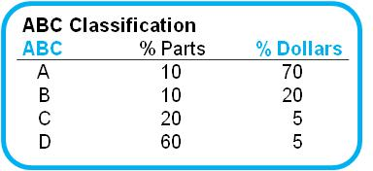
 |  |  | Total Cost Reduction (Increase) = | $-

 |  |  | Number of Units = | $- | Transfer to "Cost Reduction" section (rows 9 & 10) of "Profitability Analysis" tab
 |  |  | Variable Cost Reduction per Unit = | #DIV/0!

Part Number Information |  |  |  |  |  |  |  |  |  | Part Pricing Information |  |  |  |  |  |  |  |  |  |  | Part Logistical Impact |  |  |  |  |  |  |  |  | Inventory Calculation |  |  |  |  |  |  |  |  |  |  |  |  |  |  |  |  |  |  |  |  |  |  |  |  |  | Transport Calculation
Part Number | Drawing Rev | Symphony Criticality | Description | Plant(s) | Product Line Reference | Product Scheduled for Obsolescence? Y/N | BOC Product Group | PEP # | BOC Contact Admin | Annual Volume | ABC Inv Class | Current Inventory Supplier & Plant | Inventory coverage (months) | Current Supplier (name/city/country) | Current Price | New Supplier (name/city/country) | Quoted or Estimated Price | Material Rebalance? MEC to NEC? Other REB? | Price vs Price Benefit (unfavorable) | Annual Rebalance | Inventory Impact (annual) Cash Flow (not Carrying Cost) |  |  | Import/Export Impact (annual) |  |  | Transportation Impact (annual) |  |  | Annual Volume | Current Price | Current Total Lead-time | Current Transit Time | Current Order Qty | Consider in-transit? Current GIT Y / N | Current Spend | New Price | New Total Lead-time | New Transit Time | New Order Qty | Consider in-transit? New GIT Y / N | New Spend | SS Coeficient Inv Class | SSDemand (LT Impact) Current | SSDemand (LT Impact) New | ∆ SSDemand Benefit (LT Impact) | OQ Impact Current | OQ Impact New | ∆ OQ Benefit | GIT Current | GIT New | ∆ GIT Benefit | Total Inventory Current | Total Inventory New | ∆ Total Inventory Benefit (unfavorable) | Part Weight (lb) | Transport Cost Current USD / lb | Transport Cost Current | Transport Cost New USD / lb | Transport Cost New | ∆ Transport Benefit (unfavorable)
 |  |  |  |  |  |  |  |  |  |  |  |  |  |  |  |  |  |  |  |  | Current | New | Change (unfavorable) | Current | New | Change (unfavorable) | Current | New | Change (unfavorable)
 |  |  |  |  |  |  |  |  |  |  |  |  | #DIV/0! |  |  |  |  |  | 0 | - | - | - | 0 |  |  | 0 | - | - | 0 | - | - |  |  |  |  | - | - |  |  |  |  | - | 7 | - | - | 0 | - | - | 0 | - | - | 0 | - | - | 0 |  |  | - |  | - | 0
 |  |  |  |  |  |  |  |  |  |  |  |  | #DIV/0! |  |  |  |  |  | 0 | - | - | - | 0 |  |  | 0 | - | - | 0 | - | - |  |  |  |  | - | - |  |  |  |  | - | 7 | - | - | 0 | - | - | 0 | - | - | 0 | - | - | 0 |  |  | - |  | - | 0
 |  |  |  |  |  |  |  |  |  |  |  |  | #DIV/0! |  |  |  |  |  | 0 | - | - | - | 0 |  |  | 0 | - | - | 0 | - | - |  |  |  |  | - | - |  |  |  |  | - | 7 | - | - | 0 | - | - | 0 | - | - | 0 | - | - | 0 |  |  | - |  | - | 0
 |  |  |  |  |  |  |  |  |  |  |  |  | #DIV/0! |  |  |  |  |  | 0 | - | - | - | 0 |  |  | 0 | - | - | 0 | - | - |  |  |  |  | - | - |  |  |  |  | - | 7 | - | - | 0 | - | - | 0 | - | - | 0 | - | - | 0 |  |  | - |  | - | 0
 |  |  |  |  |  |  |  |  |  |  |  |  | #DIV/0! |  |  |  |  |  | 0 | - | - | - | 0 |  |  | 0 | - | - | 0 | - | - |  |  |  |  | - | - |  |  |  |  | - | 7 | - | - | 0 | - | - | 0 | - | - | 0 | - | - | 0 |  |  | - |  | - | 0
 |  |  |  |  |  |  |  |  |  |  |  |  | #DIV/0! |  |  |  |  |  | 0 | - | - | - | 0 |  |  | 0 | - | - | 0 | - | - |  |  |  |  | - | - |  |  |  |  | - | 7 | - | - | 0 | - | - | 0 | - | - | 0 | - | - | 0 |  |  | - |  | - | 0
 |  |  |  |  |  |  |  |  |  |  |  |  | #DIV/0! |  |  |  |  |  | 0 | - | - | - | 0 |  |  | 0 | - | - | 0 | - | - |  |  |  |  | - | - |  |  |  |  | - | 7 | - | - | 0 | - | - | 0 | - | - | 0 | - | - | 0 |  |  | - |  | - | 0
 |  |  |  |  |  |  |  |  |  |  |  |  | #DIV/0! |  |  |  |  |  | 0 | - | - | - | 0 |  |  | 0 | - | - | 0 | - | - |  |  |  |  | - | - |  |  |  |  | - | 7 | - | - | 0 | - | - | 0 | - | - | 0 | - | - | 0 |  |  | - |  | - | 0
 |  |  |  |  |  |  |  |  |  |  |  |  | #DIV/0! |  |  |  |  |  | 0 | - | - | - | 0 |  |  | 0 | - | - | 0 | - | - |  |  |  |  | - | - |  |  |  |  | - | 7 | - | - | 0 | - | - | 0 | - | - | 0 | - | - | 0 |  |  | - |  | - | 0
 |  |  |  |  |  |  |  |  |  |  |  |  | #DIV/0! |  |  |  |  |  | 0 | - | - | - | 0 |  |  | 0 | - | - | 0 | - | - |  |  |  |  | - | - |  |  |  |  | - | 7 | - | - | 0 | - | - | 0 | - | - | 0 | - | - | 0 |  |  | - |  | - | 0
 |  |  |  |  |  |  |  |  |  |  |  |  | #DIV/0! |  |  |  |  |  | 0 | - | - | - | 0 |  |  | 0 | - | - | 0 | - | - |  |  |  |  | - | - |  |  |  |  | - | 7 | - | - | 0 | - | - | 0 | - | - | 0 | - | - | 0 |  |  | - |  | - | 0
 |  |  |  |  |  |  |  |  |  |  |  |  | #DIV/0! |  |  |  |  |  | 0 | - | - | - | 0 |  |  | 0 | - | - | 0 | - | - |  |  |  |  | - | - |  |  |  |  | - | 7 | - | - | 0 | - | - | 0 | - | - | 0 | - | - | 0 |  |  | - |  | - | 0
 |  |  |  |  |  |  |  |  |  |  |  |  | #DIV/0! |  |  |  |  |  | 0 | - | - | - | 0 |  |  | 0 | - | - | 0 | - | - |  |  |  |  | - | - |  |  |  |  | - | 7 | - | - | 0 | - | - | 0 | - | - | 0 | - | - | 0 |  |  | - |  | - | 0
 |  |  |  |  |  |  |  |  |  |  |  |  | #DIV/0! |  |  |  |  |  | 0 | - | - | - | 0 |  |  | 0 | - | - | 0 | - | - |  |  |  |  | - | - |  |  |  |  | - | 7 | - | - | 0 | - | - | 0 | - | - | 0 | - | - | 0 |  |  | - |  | - | 0
 |  |  |  |  |  |  |  |  |  |  |  |  | #DIV/0! |  |  |  |  |  | 0 | - | - | - | 0 |  |  | 0 | - | - | 0 | - | - |  |  |  |  | - | - |  |  |  |  | - | 7 | - | - | 0 | - | - | 0 | - | - | 0 | - | - | 0 |  |  | - |  | - | 0
 |  |  |  |  |  |  |  |  |  |  |  |  | #DIV/0! |  |  |  |  |  | 0 | - | - | - | 0 |  |  | 0 | - | - | 0 | - | - |  |  |  |  | - | - |  |  |  |  | - | 7 | - | - | 0 | - | - | 0 | - | - | 0 | - | - | 0 |  |  | - |  | - | 0
 |  |  |  |  |  |  |  |  |  |  |  |  | #DIV/0! |  |  |  |  |  | 0 | - | - | - | 0 |  |  | 0 | - | - | 0 | - | - |  |  |  |  | - | - |  |  |  |  | - | 7 | - | - | 0 | - | - | 0 | - | - | 0 | - | - | 0 |  |  | - |  | - | 0
 |  |  |  |  |  |  |  |  |  |  |  |  | #DIV/0! |  |  |  |  |  | 0 | - | - | - | 0 |  |  | 0 | - | - | 0 | - | - |  |  |  |  | - | - |  |  |  |  | - | 7 | - | - | 0 | - | - | 0 | - | - | 0 | - | - | 0 |  |  | - |  | - | 0
 |  |  |  |  |  |  |  |  |  |  |  |  | #DIV/0! |  |  |  |  |  | 0 | - | - | - | 0 |  |  | 0 | - | - | 0 | - | - |  |  |  |  | - | - |  |  |  |  | - | 7 | - | - | 0 | - | - | 0 | - | - | 0 | - | - | 0 |  |  | - |  | - | 0
 |  |  |  |  |  |  |  |  |  |  |  |  | #DIV/0! |  |  |  |  |  | 0 | - | - | - | 0 |  |  | 0 | - | - | 0 | - | - |  |  |  |  | - | - |  |  |  |  | - | 7 | - | - | 0 | - | - | 0 | - | - | 0 | - | - | 0 |  |  | - |  | - | 0
 |  |  |  |  |  |  |  |  |  |  |  |  | #DIV/0! |  |  |  |  |  | 0 | - | - | - | 0 |  |  | 0 | - | - | 0 | - | - |  |  |  |  | - | - |  |  |  |  | - | 7 | - | - | 0 | - | - | 0 | - | - | 0 | - | - | 0 |  |  | - |  | - | 0
 |  |  |  |  |  |  |  |  |  |  |  |  | #DIV/0! |  |  |  |  |  | 0 | - | - | - | 0 |  |  | 0 | - | - | 0 | - | - |  |  |  |  | - | - |  |  |  |  | - | 7 | - | - | 0 | - | - | 0 | - | - | 0 | - | - | 0 |  |  | - |  | - | 0
 |  |  |  |  |  |  |  |  |  |  |  |  | #DIV/0! |  |  |  |  |  | 0 | - | - | - | 0 |  |  | 0 | - | - | 0 | - | - |  |  |  |  | - | - |  |  |  |  | - | 7 | - | - | 0 | - | - | 0 | - | - | 0 | - | - | 0 |  |  | - |  | - | 0
 |  |  |  |  |  |  |  |  |  |  |  |  | #DIV/0! |  |  |  |  |  | 0 | - | - | - | 0 |  |  | 0 | - | - | 0 | - | - |  |  |  |  | - | - |  |  |  |  | - | 7 | - | - | 0 | - | - | 0 | - | - | 0 | - | - | 0 |  |  | - |  | - | 0
 |  |  |  |  |  |  |  |  |  |  |  |  | #DIV/0! |  |  |  |  |  | 0 | - | - | - | 0 |  |  | 0 | - | - | 0 | - | - |  |  |  |  | - | - |  |  |  |  | - | 7 | - | - | 0 | - | - | 0 | - | - | 0 | - | - | 0 |  |  | - |  | - | 0
 |  |  |  |  |  |  |  |  |  |  |  |  | #DIV/0! |  |  |  |  |  | 0 | - | - | - | 0 |  |  | 0 | - | - | 0 | - | - |  |  |  |  | - | - |  |  |  |  | - | 7 | - | - | 0 | - | - | 0 | - | - | 0 | - | - | 0 |  |  | - |  | - | 0
 |  |  |  |  |  |  |  |  |  |  |  |  | #DIV/0! |  |  |  |  |  | 0 | - | - | - | 0 |  |  | 0 | - | - | 0 | - | - |  |  |  |  | - | - |  |  |  |  | - | 7 | - | - | 0 | - | - | 0 | - | - | 0 | - | - | 0 |  |  | - |  | - | 0
 |  |  |  |  |  |  |  |  |  |  |  |  | #DIV/0! |  |  |  |  |  | 0 | - | - | - | 0 |  |  | 0 | - | - | 0 | - | - |  |  |  |  | - | - |  |  |  |  | - | 7 | - | - | 0 | - | - | 0 | - | - | 0 | - | - | 0 |  |  | - |  | - | 0
 |  |  |  |  |  |  |  |  |  |  |  |  | #DIV/0! |  |  |  |  |  | 0 | - | - | - | 0 |  |  | 0 | - | - | 0 | - | - |  |  |  |  | - | - |  |  |  |  | - | 7 | - | - | 0 | - | - | 0 | - | - | 0 | - | - | 0 |  |  | - |  | - | 0
 |  |  |  |  |  |  |  |  |  |  |  |  | #DIV/0! |  |  |  |  |  | 0 | - | - | - | 0 |  |  | 0 | - | - | 0 | - | - |  |  |  |  | - | - |  |  |  |  | - | 7 | - | - | 0 | - | - | 0 | - | - | 0 | - | - | 0 |  |  | - |  | - | 0
 |  |  |  |  |  |  |  |  |  |  |  |  | #DIV/0! |  |  |  |  |  | 0 | - | - | - | 0 |  |  | 0 | - | - | 0 | - | - |  |  |  |  | - | - |  |  |  |  | - | 7 | - | - | 0 | - | - | 0 | - | - | 0 | - | - | 0 |  |  | - |  | - | 0
 |  |  |  |  |  |  |  |  |  |  |  |  | #DIV/0! |  |  |  |  |  | 0 | - | - | - | 0 |  |  | 0 | - | - | 0 | - | - |  |  |  |  | - | - |  |  |  |  | - | 7 | - | - | 0 | - | - | 0 | - | - | 0 | - | - | 0 |  |  | - |  | - | 0
 |  |  |  |  |  |  |  |  |  |  |  |  | #DIV/0! |  |  |  |  |  | 0 | - | - | - | 0 |  |  | 0 | - | - | 0 | - | - |  |  |  |  | - | - |  |  |  |  | - | 7 | - | - | 0 | - | - | 0 | - | - | 0 | - | - | 0 |  |  | - |  | - | 0
 |  |  |  |  |  |  |  |  |  |  |  |  | #DIV/0! |  |  |  |  |  | 0 | - | - | - | 0 |  |  | 0 | - | - | 0 | - | - |  |  |  |  | - | - |  |  |  |  | - | 7 | - | - | 0 | - | - | 0 | - | - | 0 | - | - | 0 |  |  | - |  | - | 0
 |  |  |  |  |  |  |  |  |  |  |  |  | #DIV/0! |  |  |  |  |  | 0 | - | - | - | 0 |  |  | 0 | - | - | 0 | - | - |  |  |  |  | - | - |  |  |  |  | - | 7 | - | - | 0 | - | - | 0 | - | - | 0 | - | - | 0 |  |  | - |  | - | 0
 |  |  |  |  |  |  |  |  |  |  |  |  | #DIV/0! |  |  |  |  |  | 0 | - | - | - | 0 |  |  | 0 | - | - | 0 | - | - |  |  |  |  | - | - |  |  |  |  | - | 7 | - | - | 0 | - | - | 0 | - | - | 0 | - | - | 0 |  |  | - |  | - | 0
 |  |  |  |  |  |  |  |  |  |  |  |  | #DIV/0! |  |  |  |  |  | 0 | - | - | - | 0 |  |  | 0 | - | - | 0 | - | - |  |  |  |  | - | - |  |  |  |  | - | 7 | - | - | 0 | - | - | 0 | - | - | 0 | - | - | 0 |  |  | - |  | - | 0
 |  |  |  |  |  |  |  |  |  |  |  |  | #DIV/0! |  |  |  |  |  | 0 | - | - | - | 0 |  |  | 0 | - | - | 0 | - | - |  |  |  |  | - | - |  |  |  |  | - | 7 | - | - | 0 | - | - | 0 | - | - | 0 | - | - | 0 |  |  | - |  | - | 0
 |  |  |  |  |  |  |  |  |  |  |  |  | #DIV/0! |  |  |  |  |  | 0 | - | - | - | 0 |  |  | 0 | - | - | 0 | - | - |  |  |  |  | - | - |  |  |  |  | - | 7 | - | - | 0 | - | - | 0 | - | - | 0 | - | - | 0 |  |  | - |  | - | 0
 |  |  |  |  |  |  |  |  |  |  |  |  | #DIV/0! |  |  |  |  |  | 0 | - | - | - | 0 |  |  | 0 | - | - | 0 | - | - |  |  |  |  | - | - |  |  |  |  | - | 7 | - | - | 0 | - | - | 0 | - | - | 0 | - | - | 0 |  |  | - |  | - | 0
 |  |  |  |  |  |  |  |  |  |  |  |  | #DIV/0! |  |  |  |  |  | 0 | - | - | - | 0 |  |  | 0 | - | - | 0 | - | - |  |  |  |  | - | - |  |  |  |  | - | 7 | - | - | 0 | - | - | 0 | - | - | 0 | - | - | 0 |  |  | - |  | - | 0
 |  |  |  |  |  |  |  |  |  |  |  |  | #DIV/0! |  |  |  |  |  | 0 | - | - | - | 0 |  |  | 0 | - | - | 0 | - | - |  |  |  |  | - | - |  |  |  |  | - | 7 | - | - | 0 | - | - | 0 | - | - | 0 | - | - | 0 |  |  | - |  | - | 0
 |  |  |  |  |  |  |  |  |  |  |  |  | #DIV/0! |  |  |  |  |  | 0 | - | - | - | 0 |  |  | 0 | - | - | 0 | - | - |  |  |  |  | - | - |  |  |  |  | - | 7 | - | - | 0 | - | - | 0 | - | - | 0 | - | - | 0 |  |  | - |  | - | 0
 |  |  |  |  |  |  |  |  |  |  |  |  | #DIV/0! |  |  |  |  |  | 0 | - | - | - | 0 |  |  | 0 | - | - | 0 | - | - |  |  |  |  | - | - |  |  |  |  | - | 7 | - | - | 0 | - | - | 0 | - | - | 0 | - | - | 0 |  |  | - |  | - | 0
 |  |  |  |  |  |  |  |  |  |  |  |  | #DIV/0! |  |  |  |  |  | 0 | - | - | - | 0 |  |  | 0 | - | - | 0 | - | - |  |  |  |  | - | - |  |  |  |  | - | 7 | - | - | 0 | - | - | 0 | - | - | 0 | - | - | 0 |  |  | - |  | - | 0
 |  |  |  |  |  |  |  |  |  |  |  |  | #DIV/0! |  |  |  |  |  | 0 | - | - | - | 0 |  |  | 0 | - | - | 0 | - | - |  |  |  |  | - | - |  |  |  |  | - | 7 | - | - | 0 | - | - | 0 | - | - | 0 | - | - | 0 |  |  | - |  | - | 0
 |  |  |  |  |  |  |  |  |  |  |  |  | #DIV/0! |  |  |  |  |  | 0 | - | - | - | 0 |  |  | 0 | - | - | 0 | - | - |  |  |  |  | - | - |  |  |  |  | - | 7 | - | - | 0 | - | - | 0 | - | - | 0 | - | - | 0 |  |  | - |  | - | 0
 |  |  |  |  |  |  |  |  |  |  |  |  | #DIV/0! |  |  |  |  |  | 0 | - | - | - | 0 |  |  | 0 | - | - | 0 | - | - |  |  |  |  | - | - |  |  |  |  | - | 7 | - | - | 0 | - | - | 0 | - | - | 0 | - | - | 0 |  |  | - |  | - | 0
 |  |  |  |  |  |  |  |  |  |  |  |  | #DIV/0! |  |  |  |  |  | 0 | - | - | - | 0 |  |  | 0 | - | - | 0 | - | - |  |  |  |  | - | - |  |  |  |  | - | 7 | - | - | 0 | - | - | 0 | - | - | 0 | - | - | 0 |  |  | - |  | - | 0
 |  |  |  |  |  |  |  |  |  |  |  |  | #DIV/0! |  |  |  |  |  | 0 | - | - | - | 0 |  |  | 0 | - | - | 0 | - | - |  |  |  |  | - | - |  |  |  |  | - | 7 | - | - | 0 | - | - | 0 | - | - | 0 | - | - | 0 |  |  | - |  | - | 0
 |  |  |  |  |  |  |  |  |  |  |  |  | #DIV/0! |  |  |  |  |  | 0 | - | - | - | 0 |  |  | 0 | - | - | 0 | - | - |  |  |  |  | - | - |  |  |  |  | - | 7 | - | - | 0 | - | - | 0 | - | - | 0 | - | - | 0 |  |  | - |  | - | 0
 |  |  |  |  |  |  |  |  |  |  |  |  | #DIV/0! |  |  |  |  |  | 0 | - | - | - | 0 |  |  | 0 | - | - | 0 | - | - |  |  |  |  | - | - |  |  |  |  | - | 7 | - | - | 0 | - | - | 0 | - | - | 0 | - | - | 0 |  |  | - |  | - | 0
 |  |  |  |  |  |  |  |  |  |  |  |  | #DIV/0! |  |  |  |  |  | 0 | - | - | - | 0 |  |  | 0 | - | - | 0 | - | - |  |  |  |  | - | - |  |  |  |  | - | 7 | - | - | 0 | - | - | 0 | - | - | 0 | - | - | 0 |  |  | - |  | - | 0
 |  |  |  |  |  |  |  |  |  |  |  |  | #DIV/0! |  |  |  |  |  | 0 | - | - | - | 0 |  |  | 0 | - | - | 0 | - | - |  |  |  |  | - | - |  |  |  |  | - | 7 | - | - | 0 | - | - | 0 | - | - | 0 | - | - | 0 |  |  | - |  | - | 0
 |  |  |  |  |  |  |  |  |  |  |  |  | #DIV/0! |  |  |  |  |  | 0 | - | - | - | 0 |  |  | 0 | - | - | 0 | - | - |  |  |  |  | - | - |  |  |  |  | - | 7 | - | - | 0 | - | - | 0 | - | - | 0 | - | - | 0 |  |  | - |  | - | 0
 |  |  |  |  |  |  |  |  |  |  |  |  | #DIV/0! |  |  |  |  |  | 0 | - | - | - | 0 |  |  | 0 | - | - | 0 | - | - |  |  |  |  | - | - |  |  |  |  | - | 7 | - | - | 0 | - | - | 0 | - | - | 0 | - | - | 0 |  |  | - |  | - | 0
 |  |  |  |  |  |  |  |  |  |  |  |  | #DIV/0! |  |  |  |  |  | 0 | - | - | - | 0 |  |  | 0 | - | - | 0 | - | - |  |  |  |  | - | - |  |  |  |  | - | 7 | - | - | 0 | - | - | 0 | - | - | 0 | - | - | 0 |  |  | - |  | - | 0
 |  |  |  |  |  |  |  |  |  |  |  |  | #DIV/0! |  |  |  |  |  | 0 | - | - | - | 0 |  |  | 0 | - | - | 0 | - | - |  |  |  |  | - | - |  |  |  |  | - | 7 | - | - | 0 | - | - | 0 | - | - | 0 | - | - | 0 |  |  | - |  | - | 0
 |  |  |  |  |  |  |  |  |  |  |  |  | #DIV/0! |  |  |  |  |  | 0 | - | - | - | 0 |  |  | 0 | - | - | 0 | - | - |  |  |  |  | - | - |  |  |  |  | - | 7 | - | - | 0 | - | - | 0 | - | - | 0 | - | - | 0 |  |  | - |  | - | 0
 |  |  |  |  |  |  |  |  |  |  |  |  | #DIV/0! |  |  |  |  |  | 0 | - | - | - | 0 |  |  | 0 | - | - | 0 | - | - |  |  |  |  | - | - |  |  |  |  | - | 7 | - | - | 0 | - | - | 0 | - | - | 0 | - | - | 0 |  |  | - |  | - | 0
 |  |  |  |  |  |  |  |  |  |  |  |  | #DIV/0! |  |  |  |  |  | 0 | - | - | - | 0 |  |  | 0 | - | - | 0 | - | - |  |  |  |  | - | - |  |  |  |  | - | 7 | - | - | 0 | - | - | 0 | - | - | 0 | - | - | 0 |  |  | - |  | - | 0
 |  |  |  |  |  |  |  |  |  |  |  |  | #DIV/0! |  |  |  |  |  | 0 | - | - | - | 0 |  |  | 0 | - | - | 0 | - | - |  |  |  |  | - | - |  |  |  |  | - | 7 | - | - | 0 | - | - | 0 | - | - | 0 | - | - | 0 |  |  | - |  | - | 0
 |  |  |  |  |  |  |  |  |  |  |  |  | #DIV/0! |  |  |  |  |  | 0 | - | - | - | 0 |  |  | 0 | - | - | 0 | - | - |  |  |  |  | - | - |  |  |  |  | - | 7 | - | - | 0 | - | - | 0 | - | - | 0 | - | - | 0 |  |  | - |  | - | 0
 |  |  |  |  |  |  |  |  |  |  |  |  | #DIV/0! |  |  |  |  |  | 0 | - | - | - | 0 |  |  | 0 | - | - | 0 | - | - |  |  |  |  | - | - |  |  |  |  | - | 7 | - | - | 0 | - | - | 0 | - | - | 0 | - | - | 0 |  |  | - |  | - | 0
 |  |  |  |  |  |  |  |  |  |  |  |  | #DIV/0! |  |  |  |  |  | 0 | - | - | - | 0 |  |  | 0 | - | - | 0 | - | - |  |  |  |  | - | - |  |  |  |  | - | 7 | - | - | 0 | - | - | 0 | - | - | 0 | - | - | 0 |  |  | - |  | - | 0
 |  |  |  |  |  |  |  |  |  |  |  |  | #DIV/0! |  |  |  |  |  | 0 | - | - | - | 0 |  |  | 0 | - | - | 0 | - | - |  |  |  |  | - | - |  |  |  |  | - | 7 | - | - | 0 | - | - | 0 | - | - | 0 | - | - | 0 |  |  | - |  | - | 0
 |  |  |  |  |  |  |  |  |  |  |  |  | #DIV/0! |  |  |  |  |  | 0 | - | - | - | 0 |  |  | 0 | - | - | 0 | - | - |  |  |  |  | - | - |  |  |  |  | - | 7 | - | - | 0 | - | - | 0 | - | - | 0 | - | - | 0 |  |  | - |  | - | 0
 |  |  |  |  |  |  |  |  |  |  |  |  | #DIV/0! |  |  |  |  |  | 0 | - | - | - | 0 |  |  | 0 | - | - | 0 | - | - |  |  |  |  | - | - |  |  |  |  | - | 7 | - | - | 0 | - | - | 0 | - | - | 0 | - | - | 0 |  |  | - |  | - | 0
 |  |  |  |  |  |  |  |  |  |  |  |  | #DIV/0! |  |  |  |  |  | 0 | - | - | - | 0 |  |  | 0 | - | - | 0 | - | - |  |  |  |  | - | - |  |  |  |  | - | 7 | - | - | 0 | - | - | 0 | - | - | 0 | - | - | 0 |  |  | - |  | - | 0
 |  |  |  |  |  |  |  |  |  |  |  |  | #DIV/0! |  |  |  |  |  | 0 | - | - | - | 0 |  |  | 0 | - | - | 0 | - | - |  |  |  |  | - | - |  |  |  |  | - | 7 | - | - | 0 | - | - | 0 | - | - | 0 | - | - | 0 |  |  | - |  | - | 0
 |  |  |  |  |  |  |  |  |  |  |  |  | #DIV/0! |  |  |  |  |  | 0 | - | - | - | 0 |  |  | 0 | - | - | 0 | - | - |  |  |  |  | - | - |  |  |  |  | - | 7 | - | - | 0 | - | - | 0 | - | - | 0 | - | - | 0 |  |  | - |  | - | 0
 |  |  |  |  |  |  |  |  |  |  |  |  | #DIV/0! |  |  |  |  |  | 0 | - | - | - | 0 |  |  | 0 | - | - | 0 | - | - |  |  |  |  | - | - |  |  |  |  | - | 7 | - | - | 0 | - | - | 0 | - | - | 0 | - | - | 0 |  |  | - |  | - | 0
 |  |  |  |  |  |  |  |  |  |  |  |  | #DIV/0! |  |  |  |  |  | 0 | - | - | - | 0 |  |  | 0 | - | - | 0 | - | - |  |  |  |  | - | - |  |  |  |  | - | 7 | - | - | 0 | - | - | 0 | - | - | 0 | - | - | 0 |  |  | - |  | - | 0
 |  |  |  |  |  |  |  |  |  |  |  |  | #DIV/0! |  |  |  |  |  | 0 | - | - | - | 0 |  |  | 0 | - | - | 0 | - | - |  |  |  |  | - | - |  |  |  |  | - | 7 | - | - | 0 | - | - | 0 | - | - | 0 | - | - | 0 |  |  | - |  | - | 0
 |  |  |  |  |  |  |  |  |  |  |  |  | #DIV/0! |  |  |  |  |  | 0 | - | - | - | 0 |  |  | 0 | - | - | 0 | - | - |  |  |  |  | - | - |  |  |  |  | - | 7 | - | - | 0 | - | - | 0 | - | - | 0 | - | - | 0 |  |  | - |  | - | 0

Pre-BoC Assesment
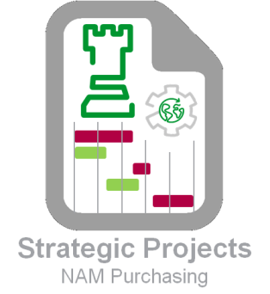
 |  |  |  | Pre-BoC Assesment |  |  |  |  |  | Cell Legends |  | User inputs
 |  |  |  |  |  |  |  |  |  | Calculated cell |  | Drop-down list

 | Project Strategy & Benefits | Propject Name |  | - |  |  |  |  |  | Commodity | Select Commodity
 |  | Reason of the project |  | Select Reason
 |  | Fulfillment target strategy |  | Select Strategy |  |  |  | How many critical parts? As identified in Symphony |  |  | Commodity Target Productivity |  | Commodity Target Productivity
 |  | Raw Material Change |  | Select Option |  |  |  |  | Total Current Volume (k USD) | - |  | Supply Chain Savings (k USD) | 0
 |  |  |  |  |  |  |  |  | Total Expected Volume (k USD) | - | Less than Minimum P&L | Provide reasons why to proceed
 |  | No. Items (Total) | No. of Tools | =SE= Property? | Core Tech Validation (Name) | Investment required? | Investment k USD | Total Savings (k USD, %) |  | 0 | 0.0% | Comments
 |  |  |  | Select Option |  | Select Option |  |  | TCO Productivity (k USD, %) | 0 | 0.0%
 | Current Supplier A
 | Current Supplier A |  | Supplier (name) |  | Country
 |  | Current Supplier

 |  | Service |  |  | Inventory Management | Volume, Inventory & Logistic

 |  | YTD ESSR (%) |  |  |  | Current Number of Items |  |  | Average price used on comparison? |  |  | Select Option
 |  | YTD DPME |  |  |  | Current Volume (Spend) - k USD |  |  |  | RM Stock Agreement - Months |  | Select Agreement
 |  | SAM Audit | Logistics | SAM Status |  | Volume (Spend) source |  | Select Option | Finished Goods Stock Agreement - Months |  |  | Select Agreement
 |  |  | Quality | SAM Status |  | Volume confirmed with Procurement? |  | Select Option |  |  | Current Packaging
 |  |  | Supplier Assessment | SAM Status
 | Current Supplier B
 | Current Supplier B |  | Supplier (name) |  | Country
 |  | Current Supplier

 |  | Service |  |  | Inventory Management | Volume, Inventory & Logistic

 |  | YTD ESSR (%) |  |  |  | Current Number of Items |  |  | Average price used on comparison? |  |  | Select Option
 |  | YTD DPME |  |  |  | Current Volume (Spend) - k USD |  |  |  | RM Stock Agreement - Months |  | Select Agreement
 |  | SAM Audit | Logistics | SAM Status |  | Volume (Spend) source |  | Select Option | Finished Goods Stock Agreement - Months |  |  | Select Agreement
 |  |  | Quality | SAM Status |  | Volume confirmed with Procurement? |  | Select Option |  |  | Current Packaging
 |  |  | Supplier Assessment | SAM Status
 | Current Supplier C
 | Current Supplier C |  | Supplier (name) |  | Country
 |  | Current Supplier

 |  | Service |  |  | Inventory Management | Volume, Inventory & Logistic

 |  | YTD ESSR (%) |  |  |  | Current Number of Items |  |  | Average price used on comparison? |  |  | Select Option
 |  | YTD DPME |  |  |  | Current Volume (Spend) - k USD |  |  |  | RM Stock Agreement - Months |  | Select Agreement
 |  | SAM Audit | Logistics | SAM Status |  | Volume (Spend) source |  | Select Option | Finished Goods Stock Agreement - Months |  |  | Select Agreement
 |  |  | Quality | SAM Status |  | Volume confirmed with Procurement? |  | Select Option |  |  | Current Packaging
 |  |  | Supplier Assessment | SAM Status
 | New Supplier A
 | New Supplier A |  | Supplier (name) |  | Country | Current Spend k USD | No. Items (Awarded) | No. Toolings (Awarded) | Spend (Awarded)
 |  | New Supplier

 |  | Service |  |  |  | Volume, Inventory & Logistic

 |  | YTD ESSR (%) |  |  |  | Bailment Agreement? |  | Select Option |  | RM Stock Agreement - Months |  | Select Agreement
 |  | YTD DPME |  |  |  |  |  |  | Finished Goods Stock Agreement - Months |  |  | Select Agreement
 |  | SAM Audit Have to be completed before DO Gate | Logistics | SAM Status | Supply Risk |  |  |  | Other SC Agreement? (VMI, Consignment, 3PL)
 |  |  | Quality | SAM Status | SRiM Status |  |  |  |  | New packaging Consider new logistic conditions
 |  |  | Supplier Assessment | SAM Status
 | New Supplier B
 | New Supplier B |  | Supplier (name) |  | Country | Current Spend k USD | No. Items (Awarded) | No. Toolings (Awarded) | Spend (Awarded)
 |  | New Supplier

 |  | Service |  |  |  | Volume, Inventory & Logistic

 |  | YTD ESSR (%) |  |  |  | Bailment Agreement? |  | Select Option |  | RM Stock Agreement - Months |  | Select Agreement
 |  | YTD DPME |  |  |  |  |  |  | Finished Goods Stock Agreement - Months |  |  | Select Agreement
 |  | SAM Audit Have to be completed before DO Gate | Logistics | SAM Status | Supply Risk |  |  |  | Other SC Agreement? (VMI, Consignment, 3PL)
 |  |  | Quality | SAM Status | SRiM Status |  |  |  |  | New packaging Consider new logistic conditions
 |  |  | Supplier Assessment | SAM Status
 | New Supplier C
 | New Supplier C |  | Supplier (name) |  | Country | Current Spend k USD | No. Items (Awarded) | No. Toolings (Awarded) | Spend (Awarded)
 |  | New Supplier

 |  | Service |  |  |  | Volume, Inventory & Logistic

 |  | YTD ESSR (%) |  |  |  | Bailment Agreement? |  | Select Option |  | RM Stock Agreement - Months |  | Select Agreement
 |  | YTD DPME |  |  |  |  |  |  | Finished Goods Stock Agreement - Months |  |  | Select Agreement
 |  | SAM Audit Have to be completed before DO Gate | Logistics | SAM Status | Supply Risk |  |  |  | Other SC Agreement? (VMI, Consignment, 3PL)
 |  |  | Quality | SAM Status | SRiM Status |  |  |  |  | New packaging Consider new logistic conditions
 |  |  | Supplier Assessment | SAM Status

 | Supplier Affection Analysis | Current Supplier(s) |  |  |  |  |  |  | New Supplier(s)

 |  | Before Transfer | Current Spend k USD | Current # Items | # Items - OUT | Spend - OUT k USD |  |  | Before Transfer | Current Spend k USD | # Items - IN | Spend - IN k USD
 |  | - | 0 | 0 |  |  |  |  | - | 0 | 0 | 0
 |  | - | 0 | 0 |  |  |  |  | - | 0 | 0 | 0
 |  | - | 0 | 0 |  |  |  |  | - | 0 | 0 | 0

 |  | After Transfer | Final # Items | Final Spend k USD | Dissengage % |  |  |  | After Transfer | Final Spend k USD | Growth %
 |  | - | 0 | 0 | #DIV/0! |  |  |  | - | 0 | #DIV/0!
 |  | - | 0 | 0 | #DIV/0! |  |  |  | - | 0 | #DIV/0!
 |  | - | 0 | 0 | #DIV/0! |  |  |  | - | 0 | #DIV/0!

 |  | Comments

 | Quotes & Considerations | Have you quoted all items in this project? |  |  | Select Option | Comments |  | Was the PCR reviewed by RCM? |  |  | Select Option | Comments
 |  | Was Core Tech considered during quotation? |  |  | Select Option | Comments |  | Award letter delivered to the new supplier? |  |  | Select Option | Comments
 |  | Were samples & drawings shared for quotation? |  |  | Select Option | Comments |  | Disengament notice shared with current supplier? |  |  | Select Option | Comments
 |  | Was the quotation done with Cost Model? |  |  | Select Option | Comments |  | New Supplier aware of tool condition, process parameters and secondary operations? |  |  | Select Option | Comments
 |  | Current / New lead-times & lote-sizes are documented on Part Number Detail tab? |  |  | Select Option | Comments |  | New Lead-time & lot-size optimized? |  |  | Select Option | Comments
 |  | Date of quotation |  |  |  |  |  | Raw materials are familiar to the New Suppliers? |  |  | Select Option | Comments

 |  | Technical concerns to take into account. Document technical concerns |  |  | Select Option
 |  | Any risk to SE Business? Document migation plan |  |  | Select Option

 |  |  |  |  |  |  | Based on all the information is the project feasible and PCR ready to be submitted? | Select Option |  | Submited By:
 |  |  |  |  |  |  |  |  |  | Date

Validation lists starts on Cell Q 119

PEP Priority
 |  |  |  |  |  |  | cell to fill
 |  |  |  |  |  |  | select
0 |  |  |  |  |  |  | automatic calculation
 |  |  | REQUEST
 |  |  | Emergency (Y/N) | N |  | Y
 |  |  |  |  |  | N
 |  |  | CLASSIFICATION
 |  |  |  |  |  | 1
 |  |  |  | QUALITY |  | 2
 |  |  |  |  |  | 3
 |  |  |  | PRODUCTIVITY |  | 4
 |  |  |  |  |  | 5
 |  |  |  | ADAPTATION
based on
Revision March 2012 |  |  |  | OBSOLESCENCE

When a Critical Issue is required ( for Customer Issue or Supplier bankruptcy for example), the priority tool has no added value: Priority is EMERGENCY.
 |  |  |  | Priority | level
 |  |  |  | calculation
 |  |  |  | low | 1

Score
1 | Productivity impact (Purchasing productivity, Industrial productivity,…)
 |  | 1- 20 k$
 |  | 2- 50 k$
 |  | 3- 100 k$
 |  | 4- 200 k$
 |  | 5- > 300 k$
 | Comments:

Example
1 | Evaluation of the Risk (when applicable based on SRiM)
 |  | 1- High
 |  | 2-
 |  | 3- Medium
 |  | 4-
 |  | 5- Low
 | Comments:
 | Green - Low, Yellow - Mid, Red - High

1 | Return on investment
 |  | 1- > 18 months
 |  | 2-
 |  | 3- 12 months < > 18 months
 |  | 4-
 |  | 5- < 1 year
 | Comments:

